Case
Online Hotel Booking

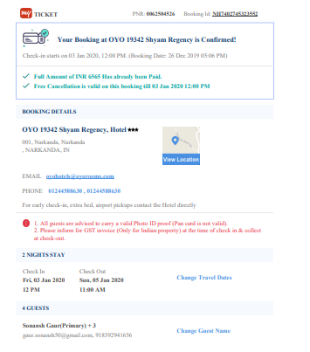
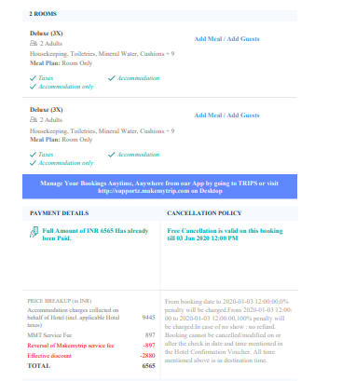

Group-4
Sonansh Gaur- 025025
Gitika Jain- 025044
Mebal Chaudhary-025050

1 NF
Booking_ID | Booking_Date | Booking_Time | Hotel_ID | Hotel_Name | Hotel_Address | Hotel_Email | Hotel_Contact | CheckIN_Date | CheckIN_Time | CheckOUT_Date | CheckOUT_Time | Customer_PNR | Customer_Name | Customer_contact | Customer_Email | Room_ID | Room_Type | Room_Qty | Guests | Meal_Plan | Charges_per_room | Accomodation_Charges | MMT_Service Fee | Discount | Total
NH7402745323552 | 2019-01-26 | 17:06:00 | 19342 | Shyam Regency | 001,Narkanda,IN | oyohotels@oyorooms.com | 01244588630 | 2020-01-03 | 12:00:00 | 2020-01-05 | 11:00:00 | 62504526 | Sonansh Gaur | 8392941656 | gaur.sonansh50@gmail.com | 3X | Deluxe | 2 | 4 | Room Only | 4723 | 9446 | 897 | 2880 | 7463
NJ7402745323533 | 2019-01-27 | 13:31:00 | 19342 | Shyam Regency | 001,Narkanda,IN | oyohotels@oyorooms.com | 01244588630 | 2020-02-10 | 12:00:00 | 2020-02-12 | 11:00:00 | 52504526 | Rahul Pratap | 8789809879 | abc.bc@gmail.com | 3X | Deluxe | 1 | 2 | Room with Breakfast | 4723 | 4723 | 400 | 1200 | 3923
 |  |  |  |  |  |  |  |  |  |  |  |  |  |  |  | 2X | Semi Deluxe | 2 | 4 | Room Only | 2250 | 4500 | 320 | 1000 | 3820
 |  |  |  |  |  |  |  |  |  |  |  |  |  |  |  | X | Normal | 1 | 1 | Room with Breakfast | 1500 | 1500 | 200 | 300 | 1400

First Normalization Form: No Nested tables and tabular form or we can say one cell can contain only on data

Booking_ID | Booking_Date | Booking_Time | Hotel_ID | Hotel_Name | Hotel_Address | Hotel_Email | Hotel_Contact | CheckIN_Date | CheckIN_Time | CheckOUT_Date | CheckOUT_Time | Customer_PNR | Customer_Name | Customer_contact | Customer_Email | Room_ID | Room_Type | Room_Qty | Guests | Meal_Plan | Charges_per_room | Accomodation_Charges | MMT_Service Fee | Discount | Total
NH7402745323552 | 2019-01-26 | 17:06:00 | 19342 | Shyam Regency | 001,Narkanda,IN | oyohotels@oyorooms.com | 01244588630 | 2020-01-03 | 12:00:00 | 2020-01-05 | 11:00:00 | 62504526 | Sonansh Gaur | 8392941656 | gaur.sonansh50@gmail.com | 3X | Deluxe | 2 | 4 | Room Only | 4723 | 9446 | 897 | 2880 | 7463
NJ7402745323533 | 2019-01-27 | 13:31:00 | 19342 | Shyam Regency | 001,Narkanda,IN | oyohotels@oyorooms.com | 01244588630 | 2020-02-10 | 12:00:00 | 2020-02-12 | 11:00:00 | 52504526 | Rahul Pratap | 8789809879 | abc.bc@gmail.com | 3X | Deluxe | 1 | 2 | Room with Breakfast | 4723 | 4723 | 400 | 1200 | 3923
NJ7402745323533 | 2019-01-27 | 13:31:00 | 19342 | Shyam Regency | 001,Narkanda,IN | oyohotels@oyorooms.com | 01244588630 | 2020-02-10 | 12:00:00 | 2020-02-12 | 11:00:00 | 52504526 | Rahul Pratap | 8789809879 | abc.bc@gmail.com | 2X | Semi Deluxe | 2 | 4 | Room Only | 2250 | 4500 | 320 | 1000 | 3820
NJ7402745323533 | 2019-01-27 | 13:31:00 | 19342 | Shyam Regency | 001,Narkanda,IN | oyohotels@oyorooms.com | 01244588630 | 2020-02-10 | 12:00:00 | 2020-02-12 | 11:00:00 | 52504526 | Rahul Pratap | 8789809879 | abc.bc@gmail.com | X | Normal | 1 | 1 | Room with Breakfast | 1500 | 1500 | 200 | 300 | 1400

Primary Key will be the combination of Booking ID and Room_ID
Booking
Booking_ID(PK)
Booking_Date
Booking_Time
Hotel_ID
Hotel_Name
Hotel_Address
Hotel_Email
Hotel_Contact
CheckIN_Date
CheckIN_Time
CheckOUT_Date
CheckOUT_Time
Customer_PNR
Customer_Name
Customer_contact
Customer_Email
Room_ID(PK)
Room_Type
Room_Qty
Guests
Meal_Plan
Charges_per_room
Accomodation_charges
MMT_Service_FEE
Discount
Total

2 NF
Second Normal Form says no dependencies on part of composite primary key

Booking_Date,Booking_Time,CheckIN_Date,CheckOUT_Date,Guestsand Meal Plan depends on Booking_ID
Room_Type and Charges_per_room are dependent on Room_ID

Booking
Booking_ID(PK)
Booking_Date
Booking_Time
Hotel_ID
Hotel_Name
Hotel_Address
Hotel_Email
Hotel_Contact
CheckIN_Date
CheckIN_Time
CheckOUT_Date
CheckOUT_Time
Customer_PNR
Customer_Name
Customer_contact
Customer_Email
Guests
Meal_Plan
Discount
Room
Room_ID(PK)
Room_Type
Charges_per_room
Booking_Room
Booking_ID(PK)
Room_ID(PK)
Room_Qty

3 NF
Third Normal Form: No Dependencies on Non-Key Attributes

Fields like Hotel_ID,Hotel_Name,Hotel_Address,Hotel_Email,Hotel_Contact,CheckOUT_Time,CheckIN_Time rely on Hotel_ID which is not a part of Primary Key

Fields like Customer_Name,Customer_Email,Customer_Contact,Discount rely on Customer_PNR which is also not a part of primary key

Booking
Booking_ID(PK)
Customer_PNR(FK)
Hotel_ID(FK)
Booking_Date
Booking_Time
CheckOUT_Date
CheckOUT_Time
Guests
Meal_Plan
Room
Room_ID(PK)
Room_Type
Charges_per_room
Booking_Room
Booking_ID(PK)
Room_ID(PK)
Room_Qty

Customer
Customer_PNR(PK)
Customer_Name
Customer_contact
Customer_Email
Discount
Hotel
Hotel_ID(PK)
Hotel_Name
Hotel_Address
Hotel_Email
Hotel_Contact
CheckIN_Time
CheckIN_Date

 | 0

ERD
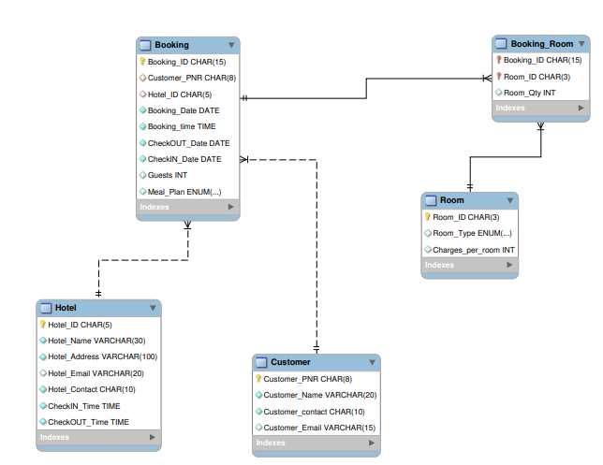
ERD Diagram

mysql code
Room |  |  |  |  | Customer |  |  |  | Hotel
Room_ID | Room_Type | Charges_per_room |  |  | Customer_PNR | Customer_Name | Customer_contact | Customer_Email | Hotel_ID | Hotel_Name | Hotel_Address | Hotel_Email | Hotel_Contact | CheckIN_Time | CheckOUT_Time
3X | Deluxe | 4723 |  |  | 62504526 | Sonansh Gaur | 8392941656 | gaur.sonansh50@gmail.com | 19342 | Shyam Regency | 001,Narkanda,IN | oyohotels@oyorooms.com | 01244588630 | 12:00:00 | 11:00:00
3X | Deluxe | 4723 |  |  | 52504526 | Rahul Pratap | 8789809879 | abc.bc@gmail.com | 19342 | Shyam Regency | 001,Narkanda,IN | oyohotels@oyorooms.com | 01244588630 | 12:00:00 | 11:00:00
2X | Semi Deluxe | 2250 |  |  | 52504526 | Rahul Pratap | 8789809879 | abc.bc@gmail.com | 19342 | Shyam Regency | 001,Narkanda,IN | oyohotels@oyorooms.com | 01244588630 | 12:00:00 | 11:00:00
X | Normal | 1500 |  |  | 52504526 | Rahul Pratap | 8789809879 | abc.bc@gmail.com | 19342 | Shyam Regency | 001,Narkanda,IN | oyohotels@oyorooms.com | 01244588630 | 12:00:00 | 11:00:00

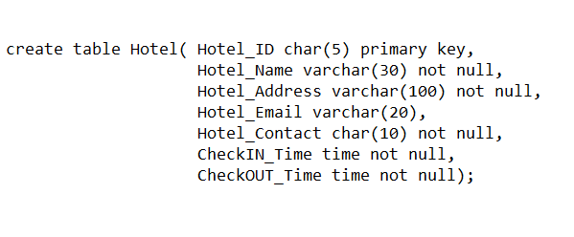

Booking
Booking_ID | Customer_PNR | Hotel_ID | Booking_Date | Booking_time | CheckIN_Date | CheckOUT_Date | Guests | Meal_Plan
NH7402745323552 | 62504526 | 19342 | 2019-01-26 | 17:06:00 | 2020-01-03 | 2020-01-05 | 4 | Room Only
NJ7402745323533 | 52504526 | 19342 | 2019-01-27 | 13:31:00 | 2020-02-10 | 2020-02-12 | 2 | Room with Breakfast
NJ7402745323533 | 52504526 | 19342 | 2019-01-27 | 13:31:00 | 2020-02-10 | 2020-02-12 | 4 | Room Only
NJ7402745323533 | 52504526 | 19342 | 2019-01-27 | 13:31:00 | 2020-02-10 | 2020-02-12 | 1 | Room with Breakfast

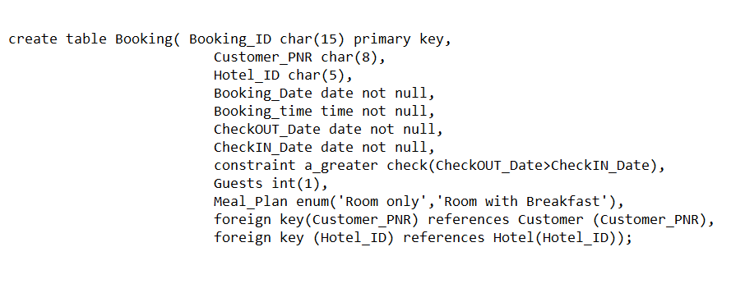

 |  | Booking Room
 |  | Booking_ID | Room_ID | Room_Qty
 |  | NH7402745323552 | 3X | 2
 |  | NJ7402745323533 | 3X | 1
 |  | NJ7402745323533 | 2X | 2
 |  | NJ7402745323533 | X | 1

